.01 Fig
 |  | Compendium of Statistics 2022

Figure 1.01 | Population Pyramids for the Total, Caymanian and Non-Caymanian Population 2021

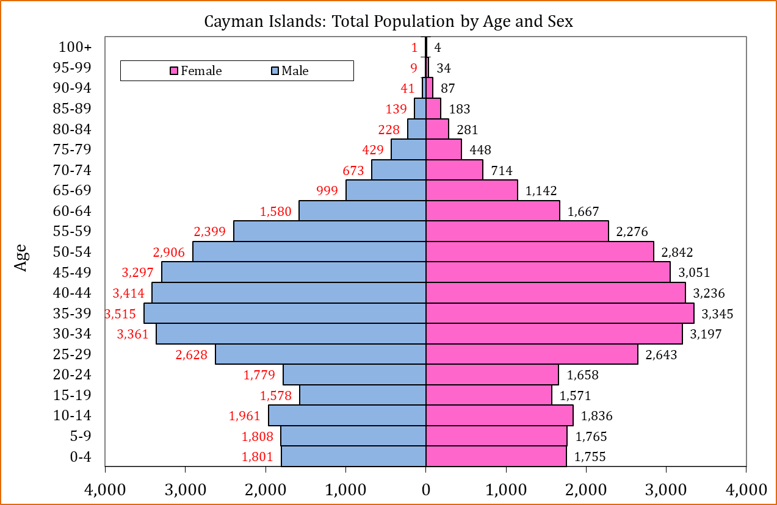

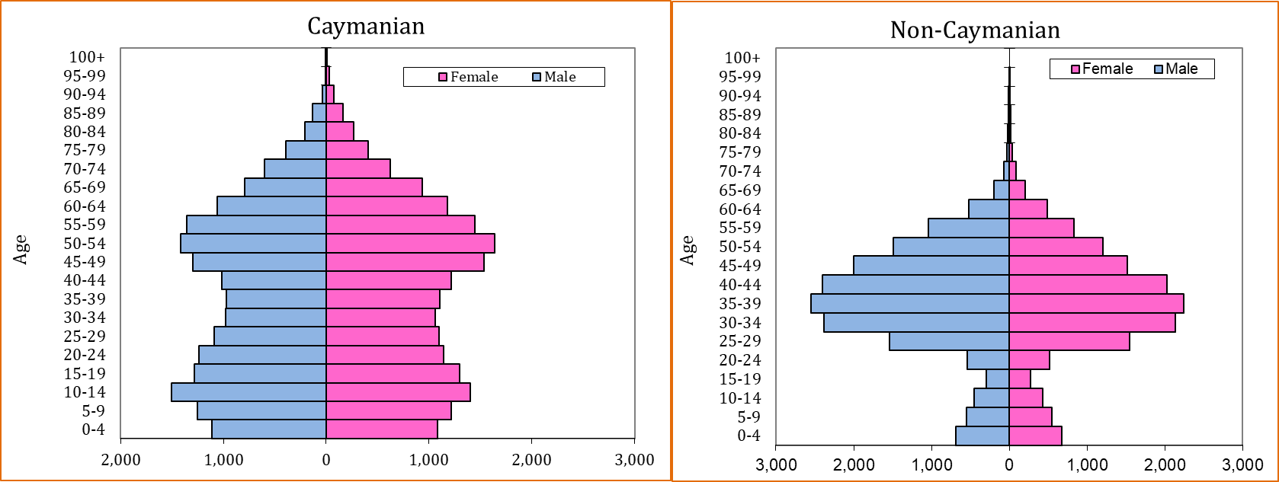

 | Source: Economics and Statistics Office (ESO)

.07
 |  |  |  | Compendium of Statistics 2024

 | 1.07 | Population Growth in Census Years, 1802 - 2021

 | Year | Resident Population | Percent Growth | Annual Growth

 | 1802 | 933
 | 1891 | 4,322 | 363.2 | 1.7
 | 1911 | 5,564 | 28.7 | 1.3
 | 1921 | 5,270 | (5.3) | (0.5)
 | 1934 | 5,930 | 12.5 | 0.9
 | 1943 | 6,690 | 12.8 | 1.3
 | 1960 | 8,511 | 27.2 | 1.4
 | 1970 | 10,068 | 18.3 | 1.7
 | 1979 | 16,677 | 65.6 | 5.8
 | 1989 | 25,355 | 52.0 | 4.3
 | 1999 | 39,020 | 53.9 | 4.4
 | 2010 | 55,036 | 41.0 | 3.2
 | 2021 | 71,105 | 29.2 | 4.2

 | Figure 1.02 | Population in Census Years, 1802 - 2021

 | Resident Population
1802
1891 | 933
1911 | 4,322
1921 | 5,564
1934 | 5,270
1943 | 5,930
1960 | 6,690
1970 | 8,511
1979 | 10,068
1989 | 16,677
1999 | 25,355
2010 | 39,020
2021 | 55,036
 | 71,105

Source: Economics and Statistics Office (ESO)

1.14
 |  |  |  | Compendium of Statistics 2024

1.14

 | 2020 |  |  | 2021 |  |  | 2022 |  |  | 2023 |  |  | 2024
 | Population | HH Count | Average HH Size | Population | HH Count | Average HH Size | Population | HH Count | Average HH Size | Population | HH Count | Average HH Size | Population | HH Count | Average HH Size

Cayman Islands | 65,786 | 27,084 | 2.4 | 71,105 | 29,699 | 2.4 | 81,546 | 34,133 | 2.4 | 84,738 | 35,793 | 2.4 | 88,833 | 38,377 | 2.3

Grand Cayman | 64,083 | 26,197 | 2.4 | 68,848 | 28,639 | 2.4 | 79,242 | 32,820 | 2.4 | 82,473 | 34,371 | 2.4 | 85,372 | 36,724 | 2.3

George Town | 34,789 | 15,359 | 2.3 | 34,921 | 15,331 | 2.3 | 40,957 | 18,003 | 2.3 | 41,695 | 18,596 | 2.2 | 43,220 | 20,102 | 2.1
West Bay | 12,955 | 5,052 | 2.6 | 15,335 | 6,408 | 2.4 | 16,943 | 7,012 | 2.4 | 18,799 | 7,768 | 2.4 | 19,636 | 8,125 | 2.4
Bodden Town | 13,737 | 4,866 | 2.8 | 14,845 | 5,478 | 2.7 | 16,957 | 6,166 | 2.7 | 17,164 | 6,279 | 2.7 | 17,648 | 6,507 | 2.7
North Side | 1,417 | 491 | 2.9 | 1,902 | 726 | 2.6 | 2,110 | 774 | 2.7 | 2,292 | 886 | 2.6 | 2,381 | 982 | 2.4
East End | 1,184 | 428 | 2.8 | 1,846 | 696 | 2.7 | 2,274 | 866 | 2.6 | 2,524 | 841 | 3.0 | 2,487 | 1,007 | 2.5

Sister Islands | 1,703 | 888 | 1.9 | 2,257 | 1,060 | 2.1 | 2,304 | 1,313 | 1.8 | 2,265 | 1,422 | 1.6 | 3,462 | 1,653 | 2.1

Note: Households (HH)

Source: Economics and Statistics Office
Chart 1.01 Households by District, 2024
 | 20,102
 | 18,003
 | 7,012
 | 6,166
 | 774
 | 866
 | 1,313

Source: Economics and Statistics Office

