.02 Fig & .07
 |  |  |  |  | STATISTICAL COMPENDIUM 2014

 | 1.07 | Population Growth in Census Years, 1802 - 2010

 | Year | Resident Population | Percent Growth | Annual Growth

 | 1802 | 933
 | 1891 | 4,322 | 363.2 | 1.7
 | 1911 | 5,564 | 28.7 | 1.3
 | 1921 | 5,270 | (5.3) | (0.5)
 | 1934 | 5,930 | 12.5 | 0.9

 | 1943 | 6,690 | 12.8 | 1.3
 | 1960 | 8,511 | 27.2 | 1.4
 | 1970 | 10,068 | 18.3 | 1.7
 | 1979 | 16,677 | 65.6 | 5.8
 | 1989 | 25,355 | 52.0 | 4.3

 | 1999 | 39,020 | 53.9 | 4.4
 | 2010 | 55,036 | 41.0 | 3.2

 | Figure 1.02 | Population in Census Years, 1802 - 2010
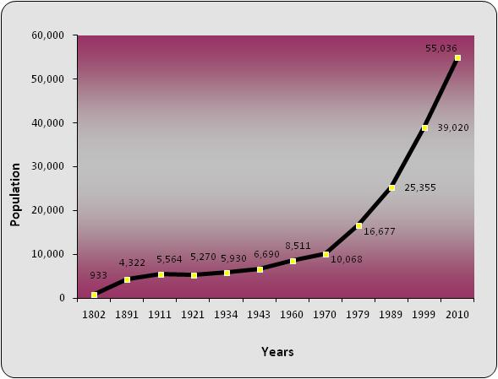

Source: Economics and Statistics Office (ESO)

1.14
 |  |  |  |  |  |  |  |  | STATISTICAL COMPENDIUM 2014

1.14

 | 2010 |  | 2011 |  | 2012 |  | 2013 |  | 2014
 | Number | Percent | Number | Percent | Number | Percent | Number | Percent | Number | Percent
 |  |  |  |  |  |  |  |  |  |  |  |  |  |  |  |  | Count
Cayman Islands | 22,760 | 100.0 | 22,143 | 100.0 | 24,165 | 100.0 | 23,387 | 100.0 | 21,189 | 100.0 |  |  |  |  | District | George Town | 30122.654851
 |  |  |  |  |  |  |  |  |  |  |  |  |  |  |  | West Bay | 11281.766576
Grand Cayman | 21,742 | 95.5 | 21,203 | 95.8 | 23,164 | 95.9 | 22,494 | 96.2 | 20,333 | 96.0 |  |  |  |  |  | Bodden Town | 11919.115274
 |  |  |  |  |  |  |  |  |  |  |  |  |  |  |  | North Side | 1844.8953295
George Town | 12,338 | 54.2 | 12,279 | 55.5 | 13,109 | 54.2 | 12,699 | 54.3 | 11,229 | 53.0 |  |  |  |  |  | East End | 1231.0677158
West Bay | 4,562 | 20.0 | 4,431 | 20.0 | 4,806 | 19.9 | 4,605 | 19.7 | 4,216 | 19.9 |  |  |  |  |  | Cayman Brac | 1731.77926
Bodden Town | 3,806 | 16.7 | 3,513 | 15.9 | 4,147 | 17.2 | 4,107 | 17.6 | 3,847 | 18.2 |  |  |  |  |  | Little Cayman | 106.72099394
North Side | 535 | 2.4 | 482 | 2.2 | 594 | 2.5 | 516 | 2.2 | 556 | 2.6
East End | 501 | 2.2 | 498 | 2.2 | 508 | 2.1 | 567 | 2.4 | 485 | 2.3

Sister Islands | 1,018 | 4.5 | 940 | 4.2 | 1,001 | 4.1 | 894 | 3.8 | 855.8 | 4.0 |  |  |  |  |  |  |  | Count
 |  |  |  |  |  |  |  |  |  |  |  |  |  |  |  | District | George Town | 11228.555094
Cayman Brac | 896 | 3.9 | 827 | 3.7 | 872 | 3.6 | 822 | 3.5 | 813 | 3.8 |  |  |  |  |  |  | West Bay | 4216.2623546
Little Cayman | 122 | 0.5 | 113 | 0.5 | 129 | 0.5 | 71 | 0.3 | 43 | 0.2 |  |  |  |  |  |  | Bodden Town | 3847.0169209
 |  |  |  |  |  |  |  |  |  |  |  |  |  |  |  |  | North Side | 556.2
 |  |  |  |  |  |  |  |  |  |  |  |  |  |  |  |  | East End | 485
 |  |  |  |  |  |  |  |  |  |  |  |  |  |  |  |  | Cayman Brac | 813
Chart 1.01 Households by District, 2014
 |  |  |  |  |  |  |  |  |  |  | 2014 | 2013 | 2012 | 2011 |  |  | Little Cayman | 42.789473684
 |  |  |  |  |  |  |  |  |  |  |  |  |  | George Town | 11228.555094 | 12699 | 13,109 | 12,279
 |  |  |  |  |  |  |  |  |  |  |  |  |  | West Bay | 4216.2623546 | 4605 | 4,806 | 4,431
 |  |  |  |  |  |  |  |  |  |  |  |  |  | Bodden Town | 3847.0169209 | 4107 | 4,147 | 3,513
 |  |  |  |  |  |  |  |  |  |  |  |  |  | North Side | 556.2 | 516 | 594 | 482
 |  |  |  |  |  |  |  |  |  |  |  |  |  | East End | 485 | 567 | 508 | 498
 |  |  |  |  |  |  |  |  |  |  |  |  |  | Sister Islands | 855.78947368 | 894 | 1001 | 940

Source: Economics and Statistics Office

