.07
 |  |  |  |  | STATISTICAL COMPENDIUM 2013

 | 1.07 | Population Growth in Census Years, 1802 - 2010

 | Year | Resident Population | Percent Growth | Annual Growth

 | 1802 | 933
 | 1891 | 4,322 | 363.2 | 1.7
 | 1911 | 5,564 | 28.7 | 1.3
 | 1921 | 5,270 | (5.3) | (0.5)
 | 1934 | 5,930 | 12.5 | 0.9

 | 1943 | 6,690 | 12.8 | 1.3
 | 1960 | 8,511 | 27.2 | 1.4
 | 1970 | 10,068 | 18.3 | 1.7
 | 1979 | 16,677 | 65.6 | 5.8
 | 1989 | 25,355 | 52.0 | 4.3

 | 1999 | 39,020 | 53.9 | 4.4
 | 2010 | 55,036 | 41.0 | 3.2

 | Figure 1.02 | Population in Census Years, 1802 - 2010
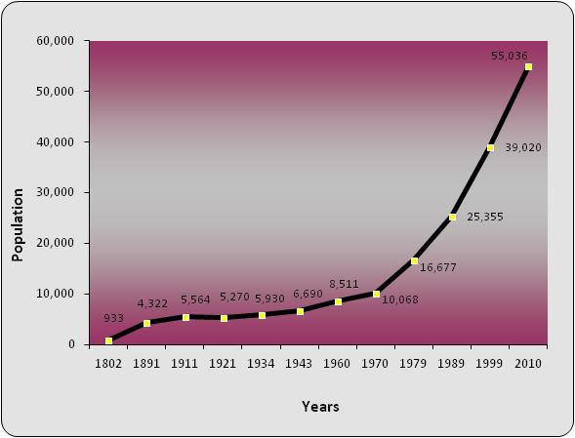

Source: Economics and Statistics Office (ESO)

.14
 |  |  |  |  |  | STATISTICAL COMPENDIUM 2013

1.14
 | 2009 |  | 2010 |  | 2011 |  | 2012 |  | 2013
 | Number | Percent | Number | Percent | Number | Percent | Number | Percent | Number | Percent

Cayman Islands | 23,018 | 100.0 | 22,760 | 100.0 | 22,143 | 100.0 | 24,165 | 100.0 | 23,387 | 100.0

Grand Cayman | 21,780 | 94.6 | 21,742 | 95.5 | 21,203 | 95.8 | 23,164 | 95.9 | 22,494 | 96.2

George Town | 12,287 | 53.4 | 12,338 | 54.2 | 12,279 | 55.5 | 13,109 | 54.2 | 12,699 | 54.3
West Bay | 5,345 | 23.2 | 4,562 | 20.0 | 4,431 | 20.0 | 4,806 | 19.9 | 4,605 | 19.7
Bodden Town | 2,820 | 12.3 | 3,806 | 16.7 | 3,513 | 15.9 | 4,147 | 17.2 | 4,107 | 17.6
North Side | 763 | 3.3 | 535 | 2.4 | 482 | 2.2 | 594 | 2.5 | 516 | 2.2
East End | 564 | 2.5 | 501 | 2.2 | 498 | 2.2 | 508 | 2.1 | 567 | 2.4

Sister Islands | 1,238 | 5.4 | 1,018 | 4.5 | 940 | 4.2 | 1,001 | 4.1 | 894 | 3.8

Cayman Brac | 1,088 | 4.7 | 896 | 3.9 | 827 | 3.7 | 872 | 3.6 | 822 | 3.5
Little Cayman | 150 | 0.7 | 122 | 0.5 | 113 | 0.5 | 129 | 0.5 | 71 | 0.3

Chart 1.01 Households by District, 2013
 |  |  |  |  |  |  |  |  |  |  |  | 2013 | 2012 | 2011 | 2010
 |  |  |  |  |  |  |  |  |  |  | George Town | 12699 | 13,109 | 12,279
 |  |  |  |  |  |  |  |  |  |  | West Bay | 4605 | 4,806 | 4,431
 |  |  |  |  |  |  |  |  |  |  | Bodden Town | 4107 | 4,147 | 3,513
 |  |  |  |  |  |  |  |  |  |  | North Side | 516 | 594 | 482
 |  |  |  |  |  |  |  |  |  |  | East End | 567 | 508 | 498
 |  |  |  |  |  |  |  |  |  |  | Sister Islands | 894 | 1001 | 940

Source: Economics and Statistics Office

