.02 Fig
 |  |  |  |  | STATISTICAL COMPENDIUM 2015

 | 1.07 | Population Growth in Census Years, 1802 - 2010

 | Year | Resident Population | Percent Growth | Annual Growth

 | 1802 | 933
 | 1891 | 4,322 | 363.2 | 1.7
 | 1911 | 5,564 | 28.7 | 1.3
 | 1921 | 5,270 | (5.3) | (0.5)
 | 1934 | 5,930 | 12.5 | 0.9

 | 1943 | 6,690 | 12.8 | 1.3
 | 1960 | 8,511 | 27.2 | 1.4
 | 1970 | 10,068 | 18.3 | 1.7
 | 1979 | 16,677 | 65.6 | 5.8
 | 1989 | 25,355 | 52.0 | 4.3

 | 1999 | 39,020 | 53.9 | 4.4
 | 2010 | 55,036 | 41.0 | 3.2

 | Figure 1.02 | Population in Census Years, 1802 - 2010
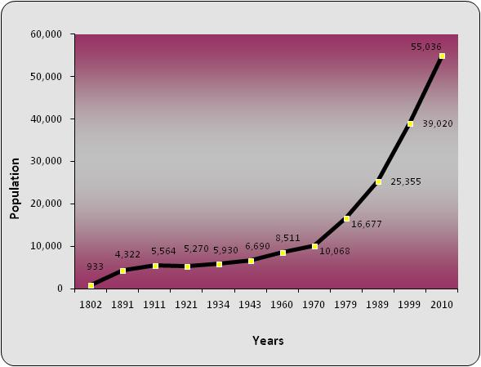

Source: Economics and Statistics Office (ESO)

1.14
 |  |  |  |  |  |  |  |  |  |  |  |  | STATISTICAL COMPENDIUM 2015

1.14 | Number OF Households by District, 2010 - 2015
 | 2010 |  | 2011 |  | 2012 |  | 2013 |  | 2014 |  | 2015
 | Number | Percent | Number | Percent | Number | Percent | Number | Percent | Number | Percent | Number | Percent

Cayman Islands | 22,760 | 100.0 | 22,143 | 100.0 | 24,165 | 100.0 | 23,387 | 100.0 | 25,606 | 100.0 | 26,780 | 100.0

Grand Cayman | 21,742 | 95.5 | 21,203 | 95.8 | 23,164 | 95.9 | 22,494 | 96.2 | 24,522 | 95.8 | 25,634 | 95.7

George Town | 12,338 | 54.2 | 12,279 | 55.5 | 13,109 | 54.2 | 12,699 | 54.3 | 13,847 | 54.1 | 14,494 | 56.6
West Bay | 4,562 | 20.0 | 4,431 | 20.0 | 4,806 | 19.9 | 4,605 | 19.7 | 5,047 | 19.7 | 5,348 | 20.9
Bodden Town | 3,806 | 16.7 | 3,513 | 15.9 | 4,147 | 17.2 | 4,107 | 17.6 | 4,428 | 17.3 | 4,552 | 17.8
North Side | 535 | 2.4 | 482 | 2.2 | 594 | 2.5 | 516 | 2.2 | 618 | 2.4 | 647 | 2.5
East End | 501 | 2.2 | 498 | 2.2 | 508 | 2.1 | 567 | 2.4 | 582 | 2.3 | 593 | 2.3

Sister Islands | 1,018 | 4.5 | 940 | 4.2 | 1,001 | 4.1 | 894 | 3.8 | 1,084 | 4.2 | 1,146 | 4.5

Cayman Brac | 896 | 3.9 | 827 | 3.7 | 872 | 3.6 | 822 | 3.5 | 1,030 | 4.0 | 997 | 3.9
Little Cayman | 122 | 0.5 | 113 | 0.5 | 129 | 0.5 | 71 | 0.3 | 54 | 0.2 | 149 | 0.6

Chart 1.01 Households by District, 2015
 |  |  |  |  |  |  |  |  |  |  |  |  |  | George Town | 14,494
 |  |  |  |  |  |  |  |  |  |  |  |  |  | West Bay | 5,348
 |  |  |  |  |  |  |  |  |  |  |  |  |  | Bodden Town | 4,552
 |  |  |  |  |  |  |  |  |  |  |  |  |  | North Side | 647
 |  |  |  |  |  |  |  |  |  |  |  |  |  | East End | 593
 |  |  |  |  |  |  |  |  |  |  |  |  |  | Sister Islands | 1,146
 |  |  |  |  |  |  |  |  |  |  |  |  |  |  | -

Source: Economics and Statistics Office

