.02 Fig
 |  |  |  |  |  | STATISTICAL COMPENDIUM 2017

 |  | 1.07 | Population Growth in Census Years, 1802 - 2010

 |  | Year | Resident Population | Percent Growth | Annual Growth

 |  | 1802 | 933
 |  | 1891 | 4,322 | 363.2 | 1.7
 |  | 1911 | 5,564 | 28.7 | 1.3
 |  | 1921 | 5,270 | (5.3) | (0.5)
 |  | 1934 | 5,930 | 12.5 | 0.9

 |  | 1943 | 6,690 | 12.8 | 1.3
 |  | 1960 | 8,511 | 27.2 | 1.4
 |  | 1970 | 10,068 | 18.3 | 1.7
 |  | 1979 | 16,677 | 65.6 | 5.8
 |  | 1989 | 25,355 | 52.0 | 4.3

 |  | 1999 | 39,020 | 53.9 | 4.4
 |  | 2010 | 55,036 | 41.0 | 3.2

 |  | Figure 1.02 | Population in Census Years, 1802 - 2010
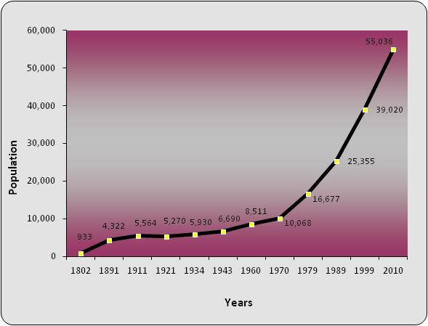

 | Source: Economics and Statistics Office (ESO)

12

1.4
 |  |  |  |  |  |  |  |  |  |  |  | STATISTICAL COMPENDIUM 2017

 |  |  |  |  |  |  |  |  |  |  |  |  |  |  |  |  |  |  |  | Count
1.14 | Number of Households by District, 2012 - 2017 |  |  |  |  |  |  |  |  |  |  |  |  |  |  |  |  | District | Total | 25561
 | 2012 |  | 2013 |  | 2014 |  | 2015 |  | 2016 |  | 2017 |  |  |  |  |  |  |  | George Town | 13591
 | Number | Percent | Number | Percent | Number | Percent | Number | Percent | Number | Percent | Number | Percent |  |  |  |  |  |  | West Bay | 4986
 |  |  |  |  |  |  |  |  |  |  |  |  |  |  |  | Count |  |  | Bodden Town | 4485
Cayman Islands | 24,165 | 100.0 | 23,387 | 100.0 | 25,606 | 100.0 | 26,780 | 100.0 | 25,561 | 100.0 | 25,197 | 100.0 |  | District | George Town | 30122.654851 |  |  | North Side | 708
 |  |  |  |  |  |  |  |  |  |  |  |  |  |  | West Bay | 11281.766576 |  |  | East End | 645
Grand Cayman | 23,164 | 95.9 | 22,494 | 96.2 | 24,522 | 95.8 | 25,634 | 95.7 | 24,415 | 95.5 | 24,131 | 95.8 |  |  | Bodden Town | 11919.115274 |  |  | Cayman Brac | 945.45
 |  |  |  |  |  |  |  |  |  |  |  |  |  |  | North Side | 1844.8953295 |  |  | Little Cayman | 200.55
George Town | 13,109 | 54.2 | 12,699 | 54.3 | 13,847 | 54.1 | 14,494 | 54.1 | 13,591 | 53.2 | 13,497 | 53.6 |  |  | East End | 1231.0677158
West Bay | 4,806 | 19.9 | 4,605 | 19.7 | 5,047 | 19.7 | 5,348 | 20.0 | 4,986 | 19.5 | 4,913 | 19.5 |  |  | Cayman Brac | 1731.77926
Bodden Town | 4,147 | 17.2 | 4,107 | 17.6 | 4,428 | 17.3 | 4,552 | 17.0 | 4,485 | 17.5 | 4,466 | 17.7 |  |  | Little Cayman | 106.72099394
North Side | 594 | 2.5 | 516 | 2.2 | 618 | 2.4 | 647 | 2.4 | 708 | 2.8 | 644 | 2.6
East End | 508 | 2.1 | 567 | 2.4 | 582 | 2.3 | 593 | 2.2 | 645 | 2.5 | 611 | 2.4

Sister Islands | 1,001 | 4.1 | 894 | 3.8 | 1,084 | 4.2 | 1,146 | 4.3 | 1,146 | 4.5 | 1,066 | 4.2 |  |  |  |  | Count
 |  |  |  |  |  |  |  |  |  |  |  |  |  |  | District | George Town | 11228.555094
Cayman Brac | 872 | 3.6 | 822 | 3.5 | 1,030 | 4.0 | 997 | 3.7 | 945 | 3.7 | 892 | 3.5 |  |  |  | West Bay | 4216.2623546
Little Cayman | 129 | 0.5 | 71 | 0.3 | 54 | 0.2 | 149 | 0.6 | 201 | 0.8 | 174 | 0.7 |  |  |  | Bodden Town | 3847.0169209
 |  |  |  |  |  |  |  |  |  |  |  |  |  |  |  | North Side | 556.2
 |  |  |  |  |  |  |  |  |  |  |  |  |  |  |  | East End | 485
Chart 1.01 Households by District, 2017
 |  |  |  |  |  |  |  |  |  |  |  |  |  |  |  | Cayman Brac | 813
 |  |  |  |  |  |  |  |  |  |  |  |  | 2011 |  |  | Little Cayman | 42.789473684
 |  |  |  |  |  |  |  |  |  |  |  |  | George Town | 13,497 | 12699 | 13,109
 |  |  |  |  |  |  |  |  |  |  |  |  | West Bay | 4,913 | 4605 | 4,806
 |  |  |  |  |  |  |  |  |  |  |  |  | Bodden Town | 4,466 | 4107 | 4,147
 |  |  |  |  |  |  |  |  |  |  |  |  | North Side | 644 | 516 | 594
 |  |  |  |  |  |  |  |  |  |  |  |  | East End | 611 | 567 | 508
 |  |  |  |  |  |  |  |  |  |  |  |  | Sister Islands | 1,066 | 894 | 1001
 |  |  |  |  |  |  |  |  |  |  |  |  |  | -

Source: Economics and Statistics Office

